Guidance Notes
 | CW Clinical Informatics CST Cerner Research Program Utilization Form

 | Guidance Notes

 | Please send completed Excel file to rsch.cwinformatics@cw.bc.ca (remove if using the JOT form)

 | SECTION C:
 | · To be completed by the research team
 | · This form must be completed for all research studies that involve:
 | o In-hospital administration of a study medication, natural health product or device (inpatient or outpatient setting) AND/OR
 | o The use of any hospital services: pharmacy, lab, medical imaging, cardio/neuromuscular diagnostic services, nursing or lab to collect samples.

 | Below are notes regarding some of the questions:

 | * Short Study Title/Mnemonic/Moniker (used for PowerTrial and CST Research Account#) -
 | No special characters, spaces are fine but they count as a character, maximum character length is 35
The CST Cerner Research Account # is required for research billing. PowerTrials allow information about research studies to be linked to a patient’s chart.
 | Please see the CST Cerner Help topic on Research Account#’s.
 | Please see the CST Cerner Help topic on PowerTrials Overview.

 | Do you want to ulitilize the "On Research Study" process alert and Clinical Research Tab - The banner bar in PowerChart can display the “On Research Study” Process alert for other health care providers to see. This would alert them that the patient is on a Research study and that they can check the Clinical Research Tab for the PI's contact information and general study information (if documents are uploaded by the study team)

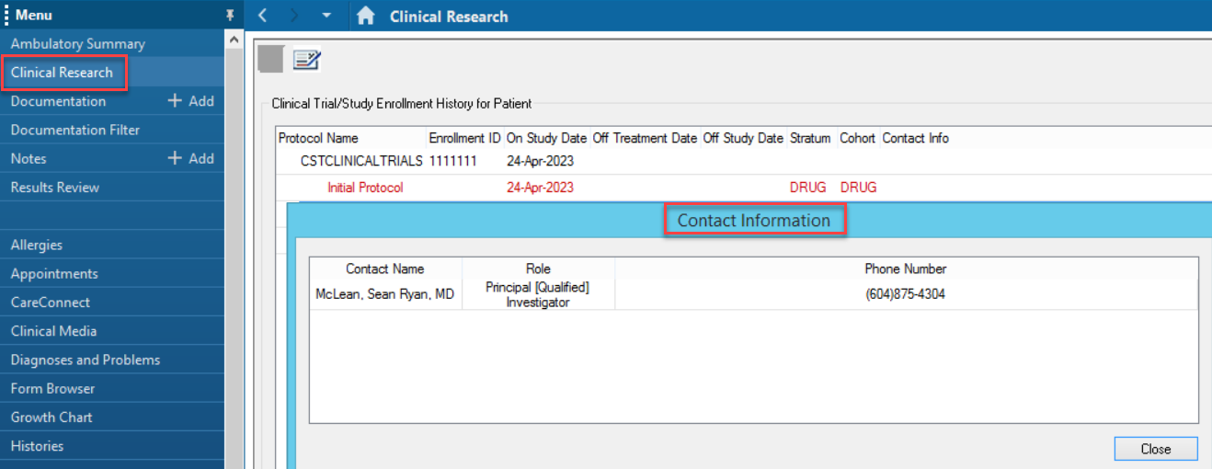

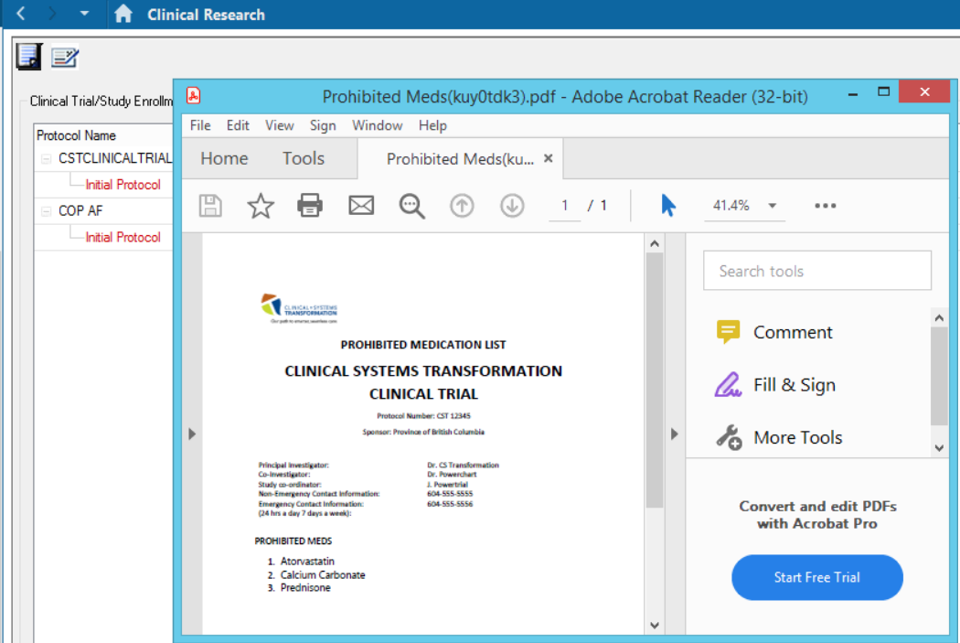

 | Please see the CST Cerner Help topic on the Research Study process alert and Clinical Research tab for more details

 | *Is there a similar Standard of Care (clinical) PowerPlan that is/will be built for this patient population? - Some departments have clinical/standard of care (SOC) treatment PowerPlans that mirror/are very similar to a research protocol. If you are a research manager or coordinator completing this form and are unsure, you may need to ask the principal investigator or co-investigator (clinical physician/provider) who would be ordering the PowerPlan if a clinical/SOC PowerPlan already exists.

 | For general information on Research & CST Cerner please see the CST Cerner Help Topics Research page.

